Cover


Pic1
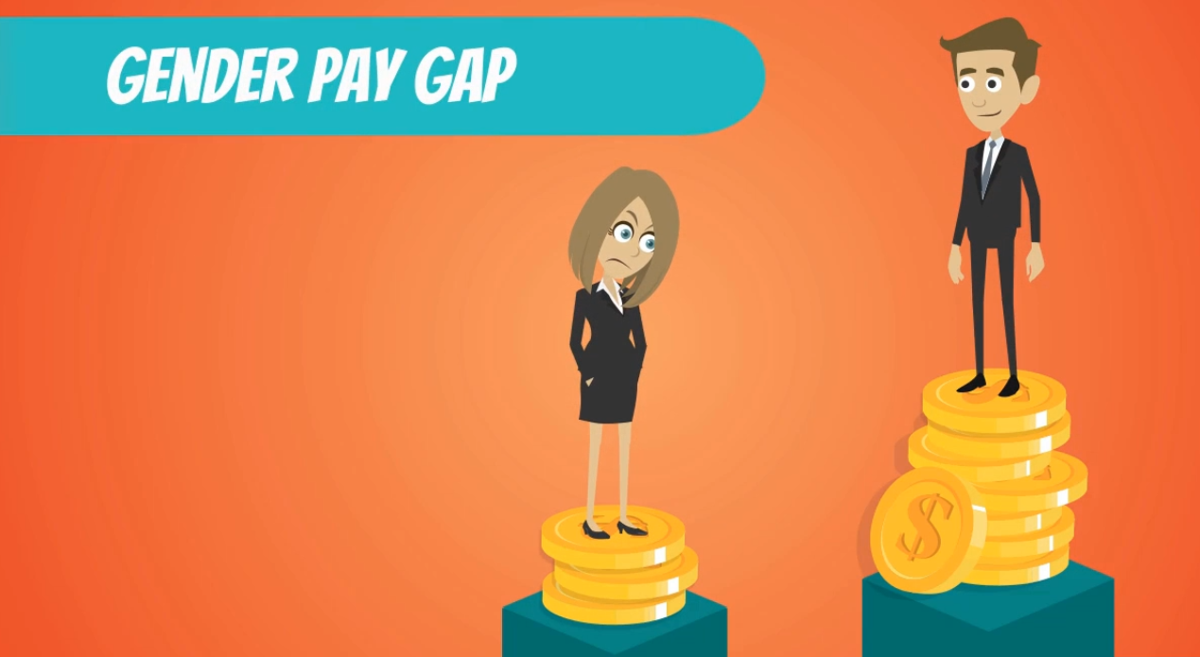

Pic2
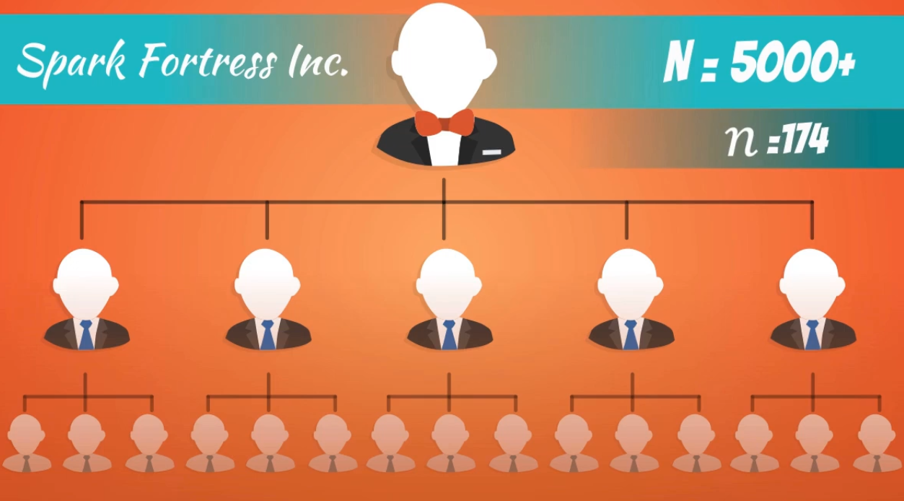
Is there any gender pay gap among this company's staffs?

# of sample

Testing
Row Labels | Count of Gender | Average of Salary | Varp of Salary
Female | 98 | 65736.914286 | 1086417843.7
Male | 76 | 72300.526316 | 1225097027.5
Grand Total | 174 | 68603.77931 | 1157588435.5

 | Row Labels | Count of Gender | Average of Salary | Varp of Salary | Pooled var. | T-Score | p-value
 | Female | 98 | 65736.914286 | 1086417843.7 | 1146888418.1 | 1.268024161 | 0.2
 | Male | 76 | 72300.526316 | 1225097027.5

$$\left\{\begin{aligned}H_{0}:μ_{m}−μ_{w}=0 \\ H_{1}:μ_{m}−μ_{w}≠0 \end{aligned}\right.$$

Second Test
$$H_{0}:μ_{m}−μ_{w}<0$$
$$H_{1}:μ_{m}−μ_{w}≥0$$

Row Labels | Count of Gender | Average of Salary | Varp of Salary
Female | 52 | 64678.4 | 1133445155.8
Male | 40 | 75610.6 | 1427996183.6
Grand Total | 92 | 69431.530435 | 1290880743.7

Row Labels | Count of Gender | Average of Salary | Varp of Salary | pooled var. | T-score | p-value
Female | 52 | 64678.4 | 1133445155.8 | 1261083934.6 | 1.4637716298 | 0.07
Male | 40 | 75610.6 | 1427996183.6

Formulas
